2. Inputs
Inputs |  |  |  | इनपुटहरू

 | Benificiary Information |  |  | प्रयोगकर्ताको जानकारी
 | Name of User Committee/Cooperative/ Local Government | Miklajung SMG |  | उपभोक्ता समिति/सहकारी/स्थानीय सरकारको पुरा नाम
 | No. Beneficiaries Households | 100 |  | लाभान्वितहरुको घरधुरी संख्या
 | No. of Enterprises | 21 |  | हालको अवस्थित उद्यम संख्या + थपिने उद्यमहरूको संख्या
 | Name of Chairperson | Rajesh Magar |  | अध्यक्षको नाम र थर
 | Mobile No. | 9812341234 |  | मोबाइल नम्बर (कृपया १० अक्षरको आफ्नो मोबाईल नम्बर राख्नुहोस)
 | Province | Koshi Province |  | प्रदेश
 | District | Panchthar |  | जिल्ला
 | R/Municipality | Sewaroo RM |  | गाउँपालिका/नगरपालिका
 | Ward no. | 10 |  | वार्ड नं
 | Tole name | Chilime |  | टोलको नाम

 | Designer Information |  |  | डिजाइनरको विवरण
 | Name of Designer | Robert Mugabe |  | डिजाइन गर्ने व्यक्तिको पूरा नाम
 | Designation | Engineer |  | डिजाइन गर्ने व्यक्तिको पद
 | Organization | RM1as |  | कार्यालयको नाम
 | Date | 2024-04-12 |  | मिति

 | Design Inputs |  |  | डिजाइन इनपुटहरू
 | Proximity to nearest Three Phase NEA Grid (Km) | 100 |  | राष्ट्रिय प्रसारण लाईनको निकटता
 | NEA grid supply phase | Three Phase |  | राष्ट्रिय प्रसारण लाईनको आपूर्ति फेज
 | NEA grid supply voltage | 400 |  | राष्ट्रिय प्रसारण लाईनको आपूर्ति भोल्टेज
 | Distance between PV Array and Proposed Powerhouse location(m) | 100 |  | सौर्य पाता र प्रस्तावित पावरहाउस स्थान बीचको दूरी (मि)
 | Power house to first pole (m) | 25 |  | पावरहाउस देखि पहिलो पोलसम्मको दुरी (मी)
 | Length for the Transmission and Distribution | Unknown |  | प्रसारण र वितरणको लम्बाइ (मी)
 | Known length for the Transmission and Distribution (m) | 5000 |  | प्रसारण र वितरणको लम्बाइ (मि)
 | Estimated length for the Transmission and Distribution (m) | 11,716 |  | प्रसारण र वितरणको लागि अनुमानित लम्बाइ (मी) |  |  |  |  |  |  |  | -
 | Do you know the total power demand and energy demand ? | NO |  | के तपाईलाई कुल बिजुलीको माग र उर्जाको माग थाहा छ?
 | Total power demand (kW) | 150 |  | कुल विद्युत माग (kW)
 | Total energy demand (kWh) | 600 |  | कुल ऊर्जा माग (kWh)

The below tables are only to be filled if the answer to is D31 is "No" |  |  |  | यदि सेल नम्बर D31 को उत्तर "No" हो भने मात्र तलको तालिका भर्नुहोला

House Hold Demand
Daily Profile
 | Household Demand
 | Household Equipments | No. | Watt | Total watts | Hours | Watt hour
 | Enter No. of Bulbs Required | 5 | 10 | 50 | 1 | 50
 | Television | 1 | 80 | 80 | 1 | 80
 | Mobile Charger | 1 | 5 | 5 | 1 | 5
 | Radio | 1 | 5 | 5 | 1 | 5
 | Dish Home | 1 | 40 | 40 | 1 | 40
 | Desktop Computer | 1 | 120 | 120 | 1 | 120
 |  | Total W/Hh |  | 300 | Total kWh | 0.300
 | Total Number of Households in the community |  |  |  |  | 100
 | Total Household Demand |  |  | 30 | kW | 30 | kWh
Productive Energy Use Load Demand
 | Productive Energy Use Load Demand
 | Productive Equipments | No. | Watt | Total watts | Hours | Watt hour
 | Agro Processing Mills | 0 | 1,500 | 0 | 0 | 0
 | Saw Mills | 3 | 2,000 | 6,000 | 3 | 18,000
Daily Profile
 | Mobile Shops | 5 | 200 | 1,000 | 2 | 2,000
 | Tailoring Business | 10 | 1,000 | 10,000 | 1 | 10,000
 | Grill Udhyog | 1 | 1,500 | 1,500 | 1 | 1,500
 | Private Clinic | 2 | 320 | 640 | 3 | 1,920
 | Bakery Udhyog | 0 | 0 | 0 | 0 | 0
 | Poultary Farm | 0 | 0 | 0 | 0 | 0
 | Total PEU kWh |  |  | 19.14 | kW | 33.42 | kWh
Publice Energy Use Load Demand
 | Public Energy Use Load Demand
 | Productive Equipments | No. | Watt | Total watts | Hours | Watt hour
 | Healthpost | 2 | 1,200 | 2,400 | 12 | 28,800
 | Schools | 1 | 4 | 4 | 6 | 25
 | Street Lights | 30 | 20 | 600 | 12 | 7,200
 | Total number of government offices | 5 | 550 | 2,750 | 8 | 22,000
 | Temples | 7 | 100 | 700 | 5 | 3,500
 | Community Building | 1 | 300 | 300 | 5 | 1,500
 | Total PEU kWh |  |  | 5.75409 | kW | 63.02454 | kWh

 | Total Daily Load |  |  | 54.89409 | kW | 126.44454 | kWh

 | Usage timetable – Use only if required | 0-1 | 1-2 | 2-3 | 3-4 | 4-5 | 5-6 | 6-7 | 7-8 | 8-9 | 9-10 | 10-11 | 11-12 | 12-13 | 13-14 | 14-15 | 15-16 | 16-17 | 17-18 | 18-19 | 19-20 | 20-21 | 21-22 | 22-23 | 23-0
 | Household loads | 0 | 0 | 0 | 1 | 1 | 1 | 1 | 0 | 0 | 0 | 0 | 0 | 0 | 0 | 0 | 0 | 0 | 1 | 1 | 1 | 1 | 1 | 1 | 0
 | Agro Processing Mills | 0 | 0 | 0 | 0 | 0 | 0 | 0 | 0 | 0 | 0 | 0 | 1 | 1 | 1 | 1 | 0 | 0 | 0 | 0 | 0 | 0 | 0 | 0 | 0
 | Saw Mills | 0 | 0 | 0 | 0 | 0 | 0 | 0 | 0 | 0 | 0 | 1 | 1 | 1 | 1 | 1 | 1 | 0 | 0 | 0 | 0 | 0 | 0 | 0 | 0
 | Healthpost | 0 | 0 | 0 | 0 | 0 | 0 | 0 | 0 | 0 | 1 | 1 | 1 | 1 | 1 | 1 | 1 | 1 | 1 | 0 | 0 | 0 | 0 | 0 | 0
 | Schools | 0 | 0 | 0 | 0 | 0 | 0 | 0 | 0 | 0 | 0 | 1 | 1 | 1 | 1 | 1 | 1 | 0 | 0 | 0 | 0 | 0 | 0 | 0 | 0
 | Street Lights | 1 | 1 | 1 | 1 | 1 | 1 | 0 | 0 | 0 | 0 | 0 | 0 | 0 | 0 | 0 | 0 | 0 | 0 | 1 | 1 | 1 | 1 | 1 | 1
 | Mobile Shops | 0 | 0 | 0 | 0 | 0 | 0 | 0 | 0 | 0 | 0 | 1 | 1 | 1 | 1 | 1 | 1 | 1 | 1 | 0 | 0 | 0 | 0 | 0 | 0
 | Bakery Udhyog | 0 | 0 | 0 | 0 | 1 | 1 | 1 | 1 | 1 | 0 | 0 | 0 | 0 | 0 | 0 | 0 | 0 | 0 | 1 | 1 | 1 | 0 | 0 | 0
 | Grill Udhyog | 0 | 0 | 0 | 0 | 0 | 0 | 0 | 0 | 0 | 0 | 1 | 1 | 1 | 1 | 1 | 0 | 0 | 0 | 0 | 0 | 0 | 0 | 0 | 0
 | Poultary Farm | 1 | 1 | 1 | 1 | 1 | 1 | 1 | 1 | 0 | 0 | 0 | 0 | 0 | 0 | 0 | 0 | 0 | 0 | 1 | 1 | 1 | 1 | 1 | 1

 | Usage timetable – Use only if required | 0-1 | 1-2 | 2-3 | 3-4 | 4-5 | 5-6 | 6-7 | 7-8 | 8-9 | 9-10 | 10-11 | 11-12 | 12-13 | 13-14 | 14-15 | 15-16 | 16-17 | 17-18 | 18-19 | 19-20 | 20-21 | 21-22 | 22-23 | 23-0
 | Household loads | 0 | 0 | 0 | 30,000 | 30,000 | 30,000 | 30,000 | 0 | 0 | 0 | 0 | 0 | 0 | 0 | 0 | 0 | 0 | 30,000 | 30,000 | 30,000 | 30,000 | 30,000 | 30,000 | 0
 | Agro Processing Mills | 0 | 0 | 0 | 0 | 0 | 0 | 0 | 0 | 0 | 0 | 0 | 0 | 0 | 0 | 0 | 0 | 0 | 0 | 0 | 0 | 0 | 0 | 0 | 0
 | Saw Mills | 0 | 0 | 0 | 0 | 0 | 0 | 0 | 0 | 0 | 0 | 6,000 | 6,000 | 6,000 | 6,000 | 6,000 | 6,000 | 0 | 0 | 0 | 0 | 0 | 0 | 0 | 0
 | Healthpost | 0 | 0 | 0 | 0 | 0 | 0 | 0 | 0 | 0 | 2,400 | 2,400 | 2,400 | 2,400 | 2,400 | 2,400 | 2,400 | 2,400 | 2,400 | 0 | 0 | 0 | 0 | 0 | 0
 | Schools | 0 | 0 | 0 | 0 | 0 | 0 | 0 | 0 | 0 | 0 | 4 | 4 | 4 | 4 | 4 | 4 | 0 | 0 | 0 | 0 | 0 | 0 | 0 | 0
 | Street Lights | 600 | 600 | 600 | 600 | 600 | 600 | 0 | 0 | 0 | 0 | 0 | 0 | 0 | 0 | 0 | 0 | 0 | 0 | 600 | 600 | 600 | 600 | 600 | 600
 | Mobile Shops | 0 | 0 | 0 | 0 | 0 | 0 | 0 | 0 | 0 | 0 | 1,000 | 1,000 | 1,000 | 1,000 | 1,000 | 1,000 | 1,000 | 1,000 | 0 | 0 | 0 | 0 | 0 | 0
 | Bakery Udhyog | 0 | 0 | 0 | 0 | 0 | 0 | 0 | 0 | 0 | 0 | 0 | 0 | 0 | 0 | 0 | 0 | 0 | 0 | 0 | 0 | 0 | 0 | 0 | 0
 | Grill Udhyog | 0 | 0 | 0 | 0 | 0 | 0 | 0 | 0 | 0 | 0 | 1,500 | 1,500 | 1,500 | 1,500 | 1,500 | 0 | 0 | 0 | 0 | 0 | 0 | 0 | 0 | 0
 | Poultary Farm | 0 | 0 | 0 | 0 | 0 | 0 | 0 | 0 | 0 | 0 | 0 | 0 | 0 | 0 | 0 | 0 | 0 | 0 | 0 | 0 | 0 | 0 | 0 | 0
 | Total watts (W) | 600 | 600 | 600 | 30,600 | 30,600 | 30,600 | 30,000 | 0 | 0 | 2,400 | 10,904 | 10,904 | 10,904 | 10,904 | 10,904 | 9,404 | 3,400 | 33,400 | 30,600 | 30,600 | 30,600 | 30,600 | 30,600 | 600
 | Total watt-hour (Wh) | 600 | 600 | 600 | 30,600 | 30,600 | 30,600 | 30,000 | 0 | 0 | 2,400 | 10,904 | 10,904 | 10,904 | 10,904 | 10,904 | 9,404 | 3,400 | 33,400 | 30,600 | 30,600 | 30,600 | 30,600 | 30,600 | 600

3. Report
Basic Solar Minigrid Design |  |  |  |  |  |  | BOQ Summary |  |  |  |  |  |  | Single Line Diagram (SLD)

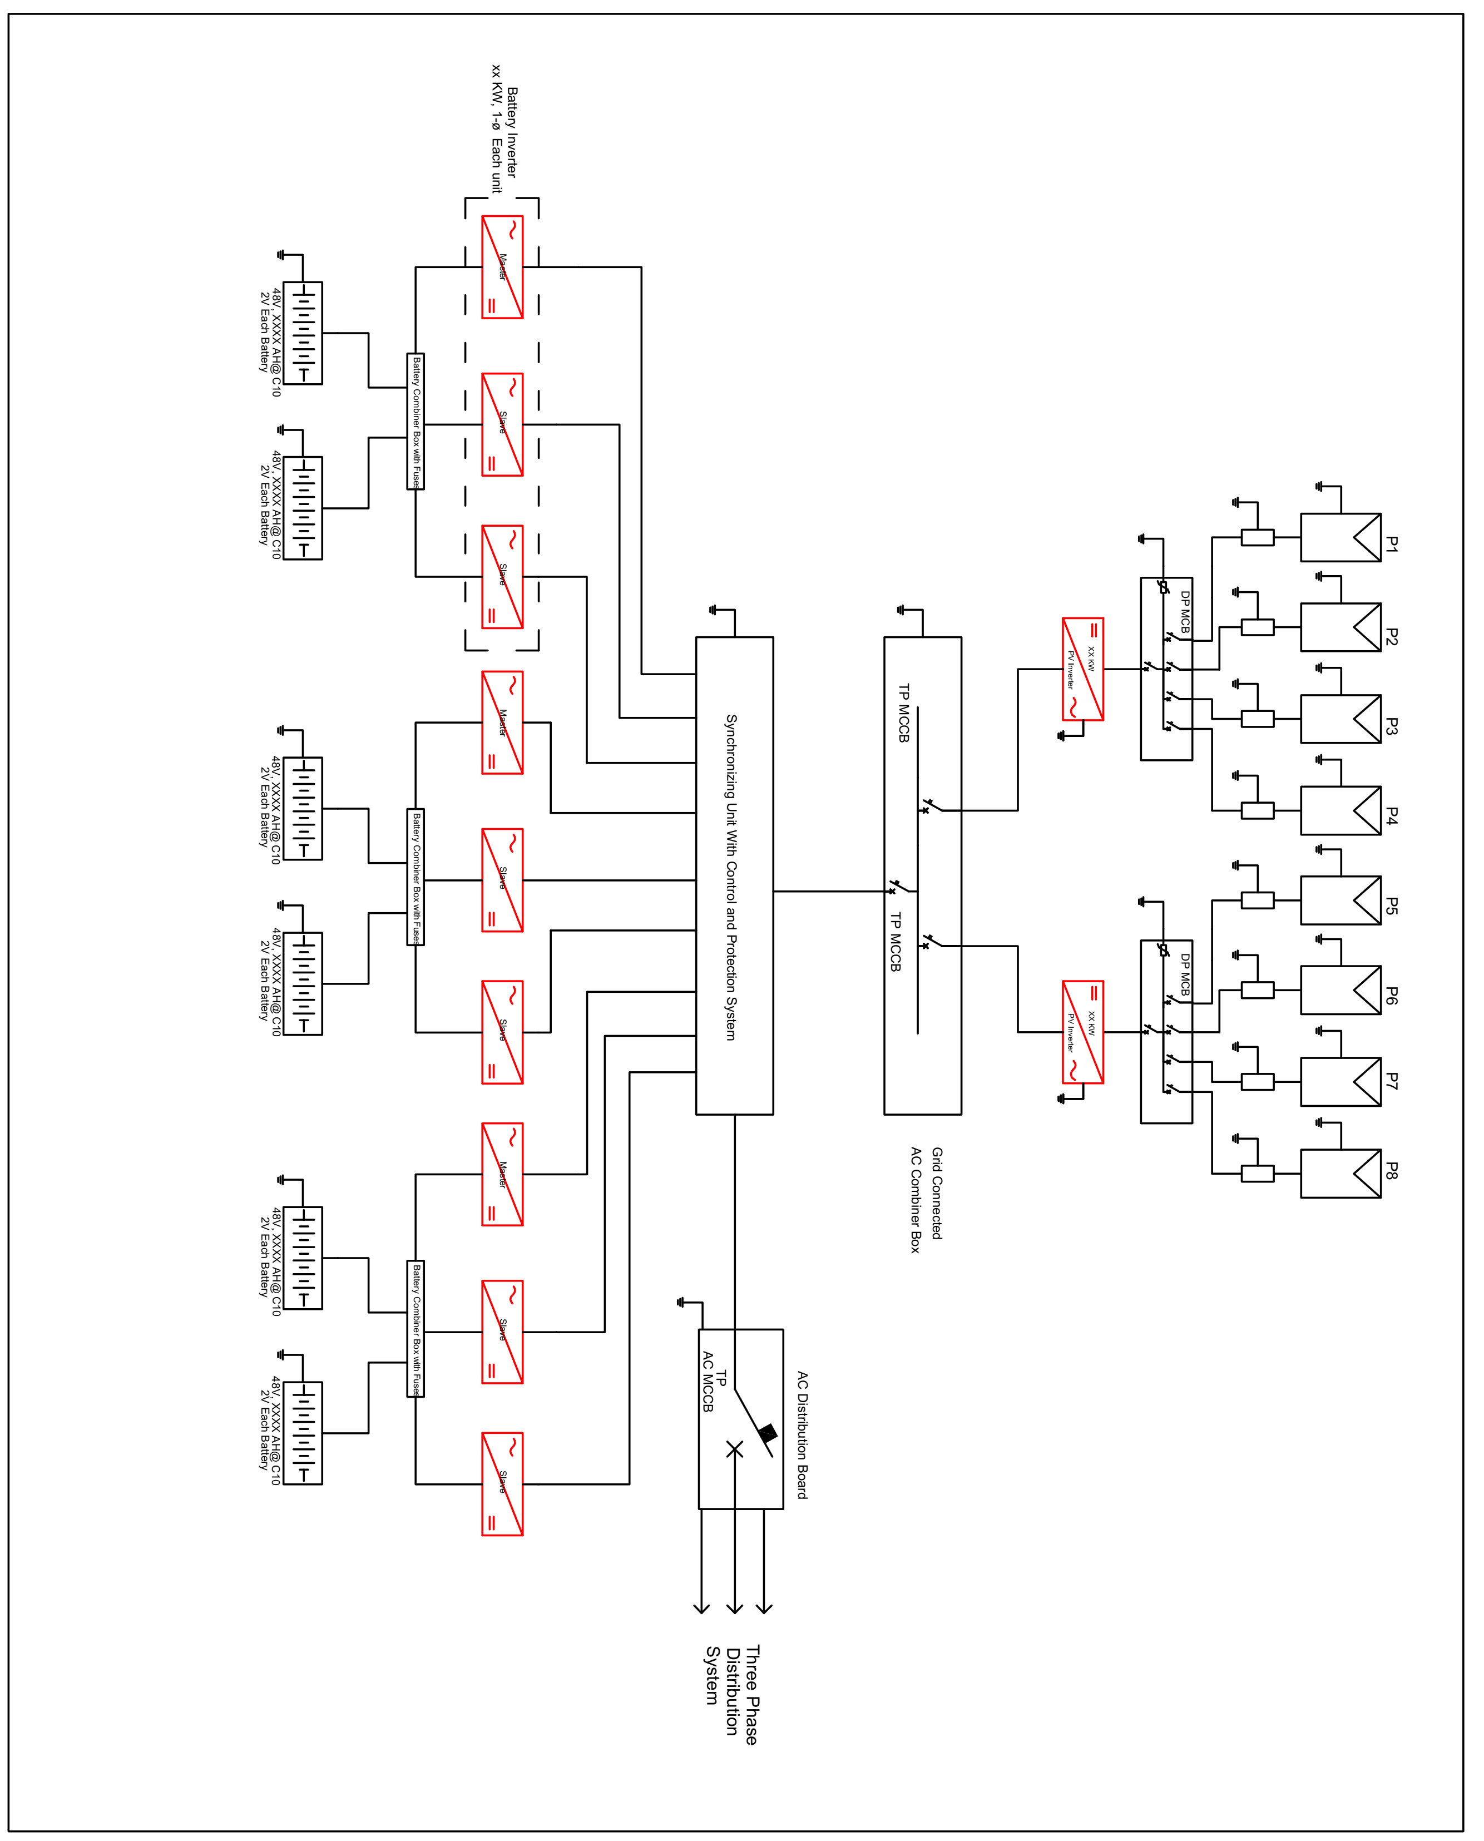
 | Name of Designer | Robert Mugabe |  | Organization | RM1as |  |  | Power Generation
 | Designation | Engineer |  | Date | 2024-04-12 |  |  | List of Items | Quantity | Unit | Unit Price | Total
 | Disclaimer | This basic design serves to estimate the key SMG component sizes and system costs. It shall not be used for detail design and costing. |  |  |  |  |  | Solar Photovoltaic Array of Minimum 415 Wp Capacity where size of individual PV module at least 350Wp, Mono, Mono PERC or Poly Crystalline Silicon. | 41 | kWp | 85 | 3,485,000 | Npr
 | Notes from Designer |  |  |  |  |  |  | Three Phase PV Inverters with in-built solar MPPT controller of total minimum capacity 20 kW | 2 | Nos | 560,000 | 1,120,000 | Npr
 |  |  |  |  |  |  |  | Off-grid Battery Inverters of total minimum capacity 54 kW, stackable as master and slave for three phase supply. | 9 | Nos | 672,400 | 6,051,600 | Npr
 | General Information |  |  |  |  |  |  | VRLA battery of total minimum capacity 109 kWh (Individual battery capacity should be at least 1000Ah@C10, 2Volt) with rack, cables and accessories. | 109 | kWh | 42,300 | 4,610,700 | Npr
 | Name of Beneficiary | Miklajung SMG |  | District | Panchthar |  |  | Solar PV Module support structure, hot dipped galvanized or anodized aluminium metal frame complete set for 41 kWp | 41 | kWp | 18,000 | 738,000 | Npr
 | Name of Chairperson | Rajesh Magar |  | R/Municipality | Sewaroo RM
 | Mobile No. | 9812341234 |  | Ward no. | 10 |  |  | Transmission and Distribution
 | Province | Koshi Province |  | Tole name | Chilime |  |  | List of Items | Quantity | Unit | Unit Price | Total
 |  |  |  |  |  |  |  | Poles
 | Technical Information |  |  |  |  |  |  | Steel Poles | 391 | Nos |  | 8,396,178 | Npr
 | PV Array Size(kW) | 41 | kW | NEA grid supply phase | Three Phase |  |  | Cables
 | Size of PV Inverter Required(kW) | 40 | kW | Total battery Inverter Size (kW) | 54 | kW |  | Abc cables | 11.7 | Kms |  | 7,545,485 | Npr
 | Total Transmission and Distribution Length | 11,716 | Mtrs | Proximity of NEA grid | 100 | Kms |  | Stay Set | 196.0 | Nos | 2,050 | 401,800 | Npr
 | Total Battery Bank Capacity Required (kWh) | 109 | kWh |  |  |  |  | Lighting Arrestor | 3.0 | Nos | 910 | 2,730 | Npr
 |  |  |  |  |  |  |  | Ladder | 1.0 | Nos | 20,000 | 20,000 | Npr
 | Cost of System |  |  |  |  |  |  | ABC cable accessories (clamps, connectors etc. ) | 1.0 | Lot | 754,549 | 754,549 | Npr
 | Total cost | 39,400,349 | NPR | NPR/kWp | 960,984 | NPR

 | Demand information |  |  |  |  |  |  | Service Lines for single phase and 3 Phase Customers
 | No. Beneficiaries Households | 100 | HH | No. of enterprises | 21 | Nos. |  | Single Phase User
 | Household peak load demand | 30.00 | kW | Productive energy demand | 33.42 | kWh |  | Service Wires | 2 | Kms | 29,675 | 59,350 | Npr
 | Household energy demand | 30.00 | kWh | Public peak load demand | 5.75 | kW |  | Meter Box 5 A | 110 | Nos | 6,200 | 682,000 | Npr
 | Productive peak load demand | 19.14 | kW | Public energy demand | 63.02 | kWh |  | MCB 6 A | 110 | Nos | 760 | 83,600 | Npr
Daily Profile
 | Agro Processing Mills | Saw Mills | Mobile Shops | Bakery Udhyog | Grill Udhyog | Poultary Farm | Household loads | Healthpost | Schools | Street Lights
 | 0 | 0 | 0 | 0 | 0 | 1 | 0 | 0 | 0 | 1
 | 0 | 0 | 0 | 0 | 0 | 1 | 0 | 0 | 0 | 1
 | 0 | 0 | 0 | 0 | 0 | 1 | 0 | 0 | 0 | 1
 | 0 | 0 | 0 | 0 | 0 | 1 | 1 | 0 | 0 | 1
 | 0 | 0 | 0 | 1 | 0 | 1 | 1 | 0 | 0 | 1
 | 0 | 0 | 0 | 1 | 0 | 1 | 1 | 0 | 0 | 1
 | 0 | 0 | 0 | 1 | 0 | 1 | 1 | 0 | 0 | 0
 | 0 | 0 | 0 | 1 | 0 | 1 | 0 | 0 | 0 | 0
 | 0 | 0 | 0 | 1 | 0 | 0 | 0 | 0 | 0 | 0
 | 0 | 0 | 0 | 0 | 0 | 0 | 0 | 1 | 0 | 0
 | 0 | 1 | 1 | 0 | 1 | 0 | 0 | 1 | 1 | 0
 | 1 | 1 | 1 | 0 | 1 | 0 | 0 | 1 | 1 | 0
 | 1 | 1 | 1 | 0 | 1 | 0 | 0 | 1 | 1 | 0
 | 1 | 1 | 1 | 0 | 1 | 0 | 0 | 1 | 1 | 0
 | 1 | 1 | 1 | 0 | 1 | 0 | 0 | 1 | 1 | 0
 | 0 | 1 | 1 | 0 | 0 | 0 | 0 | 1 | 1 | 0
 | 0 | 0 | 1 | 0 | 0 | 0 | 0 | 1 | 0 | 0
 | 0 | 0 | 1 | 0 | 0 | 0 | 1 | 1 | 0 | 0
 | 0 | 0 | 0 | 1 | 0 | 1 | 1 | 0 | 0 | 1
 | 0 | 0 | 0 | 1 | 0 | 1 | 1 | 0 | 0 | 1
 | 0 | 0 | 0 | 1 | 0 | 1 | 1 | 0 | 0 | 1
 | 0 | 0 | 0 | 0 | 0 | 1 | 1 | 0 | 0 | 1
 | 0 | 0 | 0 | 0 | 0 | 1 | 1 | 0 | 0 | 1
 | 0 | 0 | 0 | 0 | 0 | 1 | 0 | 0 | 0 | 1
 |  |  |  |  |  |  |  | 3 Phase Customers(PEUs)
 |  |  |  |  |  |  |  | Service Wires | 420 | meters | 30 | 12,464 | Npr
 |  |  |  |  |  |  |  | Meter Box 16 A | 23 | Nos | 11,750 | 270,250 | Npr
 |  |  |  |  |  |  |  | Meter Box 32 A | 4 | Nos | 6,200 | 24,800 | Npr
 |  |  |  |  |  |  |  | MCB 6A | 110 | Nos | 760 | 83,600 | Npr
 |  |  |  |  |  |  |  | MCB 16A | 23 | Nos | 1,100 | 25,300 | Npr
 |  |  |  |  |  |  |  | MCB 32A | 4 | Nos | 3,122 | 12,489 | Npr
 |  |  |  |  |  |  |  | Others (Lamps, streetlights, generation related accessories etc. ) | 1 | lot | 4,928,719 | 4,928,719 | Npr
 |  |  |  |  |  |  |  | Total Cost for the system (inc. of taxes and VAT) | NPR 39,400,349

 |  |  |  |  |  | Page 1 of 3 |  |  |  |  |  |  | Page 2 of 3 |  | Page 3 of 3 | Page 4 of 4

 |  |  |  |  |  |  |  |  |  | NPR -

Backend Design
Backend Design

 | PV Array Capacity |  |  | Comments and/or supporting information
 | Household Load (kW) | 30.00
 | Household Load (kWh) | 30.00
 | PEU load (kW) | 19.14
 | PEU load (kWh) | 33.42
 | Public Energy Use load(kW) | 5.75
 | Public Energy Use load(kWh) | 63.02
 | Total load (kW) | 54.89
 | Total energy demand per day(kWh) | 126.44
 | Day energy demand (kWh) | 56.92
 | Night energy demand (kWh) | 69.52

 | Select the size of PV module | 415
 | Peaksun | 4.5
 | PV Array Size(kW) | 41

 | PV Inverter Sizing
 | Size of PV Inverter Required(kW) | 41
 | Total inverter size used (kW) | 40
 | Individual inverter size (kW) | 20
 | No. of PV Inverter Required | 2

 | Battery Sizing
 | Select Battery type | VRLA
 | Total Load(Wh) | 69,524
 | Days of Autonomy | 1
 | Depth of Discharge | 0.8
 | Battery Efficiency | 0.8
 | Total Ah Required | 2264
 | Battery Bank Voltage(V) | 48
 | Total Battery Bank Capacity Required (kWh) | 109

 | Battery Inverter Sizing
 | Total Load (W) | 54,894
 | DC side Voltage(V) | 48
 | Rated Power/Unit(W) | 6,000
 | Total Number of Battery inverters Required | 9
 | Total battery Inverter Size (kW) | 54

 | Cable Sizing-DC
 | Module Wiring (Sq.mm) | 2
 | Array to Power House (Sq.mm) | 5

 | MCB/MCCB/O/P For PV inveter
 | Total Inverter Size (Watts) | 40,000
 | Current Draw(Amp) | 58
 | Rated Current for MCB(Amp) | 73
 | Market Available Size(Amp) | 100
 | No.of AC MCB/MCCB required | 2

 | SMG AC output combiner box
 | Is AC combiner box required? | Yes
 | Total power from the inveters (AC) | 94,000
 | Current Draw(Amp) | 136
 | Rated Current for MCB(Amp) | 170
 | Market Available Size(Amp) | 200
 | No.of AC MCB/MCCB required | 2

 | AC Cable Design
 | Inverter to AC combiner Box | 10

 | Length of cable per pole (m) | 30

 | T&D data base
 | Capacity of the System(kWp) | Nb of connections | Cable Length | Conn/km | Km/Conn | Km/KW | Conn/KW | Total Cost of the Project | Total T & D Cost
 | 316.8 | 700.0 | 40.0 | 17.5 | 0.06 | 0.13 | 2.2 | 96,258,960 | 19,585,000 |  |  |  |  |  |  |  | Select estimation method |  |  | Connection
 | 120.0 | 466.0 | 37.0 | 12.6 | 0.08 | 0.31 | 3.9
 | 95.0 | 280.0 | 36.0 | 7.8 | 0.13 | 0.38 | 2.9 | 46,916,088 | 14,144,600 | Method by connection |  |  |  |  |  |  |  |  |  | Method by capacity
 | 50.0 | 175.0 | 16.0 | 10.9 | 0.09 | 0.32 | 3.5
 | 63.6 | 160.0 | 32.0 | 5.0 | 0.20 | 0.50 | 2.5 | 35,413,242 | 11,167,400 | Range of categories of connection |  |  |  |  |  |  |  |  |  |  | Range of categories of capacity
 | 40.0 | 151.0 | 13.0 | 11.6 | 0.09 | 0.33 | 3.8 |  |  | From 0 to X X= | From X to Y Y= |  |  |  |  |  |  |  |  |  | From 0 to X X= | From X to Y Y=
 | 55.4 | 140.0 | 18.0 | 7.8 | 0.13 | 0.32 | 2.5 | 30,762,168 | 8,810,600 | 40 | 150 |  |  |  |  |  |  |  |  |  | 30 | 80
 | 50.0 | 139.0 | 15.0 | 9.3 | 0.11 | 0.30 | 2.8
 | 40.0 | 95.0 | 2.0 | 47.5 | 0.02 | 0.05 | 2.4 |  |  |  |  | Average per category of connection |  |  |  |  |  |  |  |  |  |  | Average per category of capacity
 | 20.0 | 80.0 | 9.0 | 8.9 | 0.11 | 0.45 | 4.0 |  |  |  |  | Capacity of the System(kWp) | Nb of connections | Cable Length | Conn/km | Km/Conn | Km/KW | Conn/KW |  |  |  |  | Capacity of the System(kWp) | Nb of connections | Cable Length | Conn/km | Km/Conn | Km/KW | Conn/KW
 | 21.6 | 66.0 | 10.0 | 6.6 | 0.15 | 0.46 | 3.1 | 17,831,622 | 4,309,400 | Connection (0- 40) |  | 10.7 | 29.5 | 2.2 | 18.8 | 0.08 | 0.20 | 2.8 |  |  | Capacity (0- 30) |  | 15.5 | 46.8 | 4.4 | 16.1 | 0.09 | 0.27 | 3.03
 | 29.7 | 65.0 | 3.2 | 20.3 | 0.05 | 0.11 | 2.2 | 18,822,676 | 1,954,900 | Connection (40 - 150) |  | 28.3 | 80.5 | 8.0 | 16.1 | 0.10 | 0.29 | 3.04 |  |  | Capacity (30 - 80) |  | 49.8 | 143.3 | 16.0 | 15.3 | 0.11 | 0.30 | 2.91
 | 21.6 | 60.0 | 12.5 | 4.8 | 0.21 | 0.58 | 2.8 | 17,495,770 | 4,299,000 | Connection (150+) |  | 114 | 322 | 29.0 | 10.9 | 0.11 | 0.33 | 3.14 |  |  | Capacity (80+) |  | 177 | 482 | 38 | 13 | 0.09 | 0.27 | 3.01
 | 15.0 | 55.0 | 2.0 | 27.5 | 0.04 | 0.13 | 3.7
 | 15.0 | 53.0 | 3.0 | 17.7 | 0.06 | 0.20 | 3.5
Km/Conn
 | Km/Conn
700.0 | 40.0
466.0 | 37.0
280.0 | 36.0
175.0 | 16.0
160.0 | 32.0
151.0 | 13.0
140.0 | 18.0
139.0 | 15.0
95.0 | 2.0
80.0 | 9.0
66.0 | 10.0
65.0 | 3.2
60.0 | 12.5
55.0 | 2.0
53.0 | 3.0
52.0 | 5.0
39.0 | 1.6
38.0 | 1.0
35.0 | 6.0
32.0 | 2.0
18.0 | 1.0
15.0 | 1.5
Km/KW
 | Km/KW
316.8 | 40.0
120.0 | 37.0
95.0 | 36.0
50.0 | 16.0
63.6 | 32.0
40.0 | 13.0
55.4 | 18.0
50.0 | 15.0
40.0 | 2.0
20.0 | 9.0
21.6 | 10.0
29.7 | 3.2
21.6 | 12.5
15.0 | 2.0
15.0 | 3.0
15.0 | 5.0
10.0 | 1.6
15.0 | 1.0
12.3 | 6.0
10.0 | 2.0
6.4 | 1.0
10.5 | 1.5
 | 15.0 | 52.0 | 5.0 | 10.4 | 0.10 | 0.33 | 3.5
 | 10.0 | 39.0 | 1.6 | 24.4 | 0.04 | 0.16 | 3.9 |  |  |  |  |  |  |  |  | General average
 | 15.0 | 38.0 | 1.0 | 38.0 | 0.03 | 0.07 | 2.5 |  |  |  |  |  |  |  |  | Capacity of the System (kWp) | Nb of connections | Cable Length | Conn/km | Km/Conn | Km/KW | Conn/KW
 | 12.3 | 35.0 | 6.0 | 5.8 | 0.17 | 0.49 | 2.8 | 12,145,276 | 2,642,200 |  |  |  |  |  |  | 47.0 | 132.5 | 12.1 | 15.4 | 0.1 | 0.3 | 3.0
 | 10.0 | 32.0 | 2.0 | 16.0 | 0.06 | 0.20 | 3.2
 | 6.4 | 18.0 | 1.0 | 18.0 | 0.06 | 0.16 | 2.8 | 8,778,188 | 1,158,600
 | 10.5 | 15.0 | 1.5 | 10.3 | 0.10 | 0.14 | 1.4 | 9,925,837 | 717,000

Transmission examples
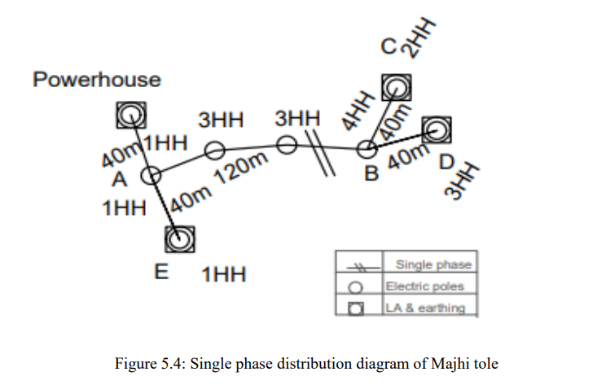
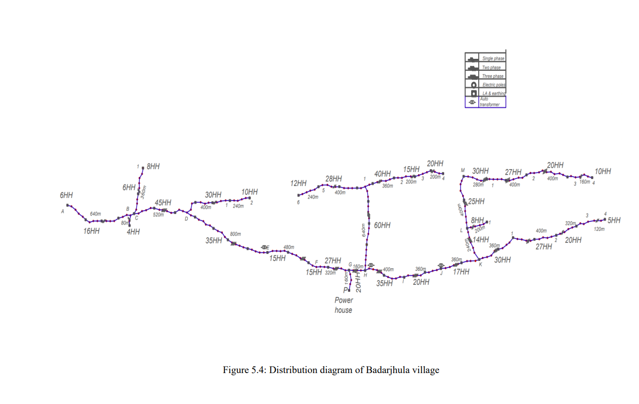
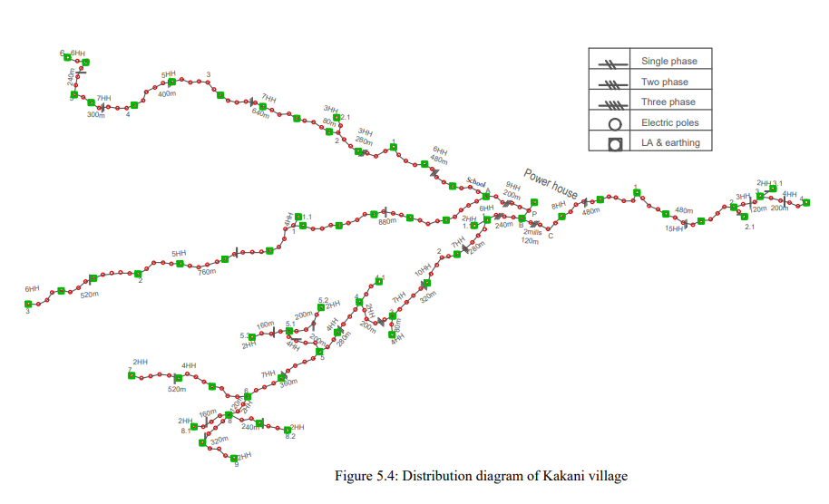
Transmission line examples

Sano Dumre village | 55.4 kWp, 140 HHs, 18km Cable length | Badahare village | 21.6 kWp, 66 HHs, 10 km cable length | Dalaicha Dada | 21.6 kWp, 60 HHs, 12.5 km cable length | Jate Village | 12.32 kWp, 35 HHs, 6km cable length
GPS coordinate 27.371o , 86.696 o |  | GPS coordinate 27.256o , 86.236 o |  | GPS coordinate 27.523o , 86.622 o |  | GPS coordinate 27.284o , 86.377 o
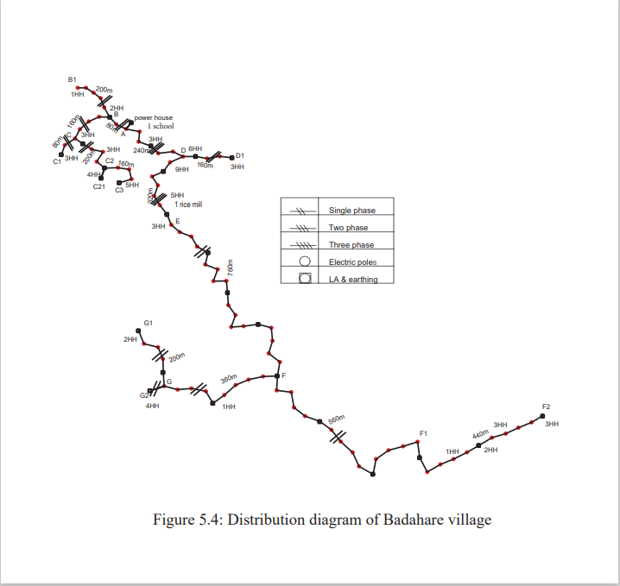
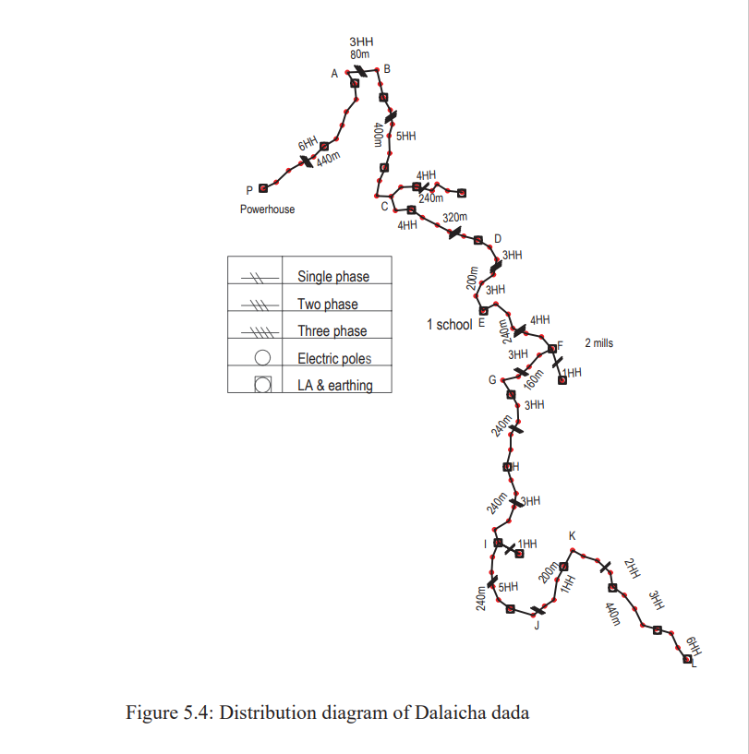

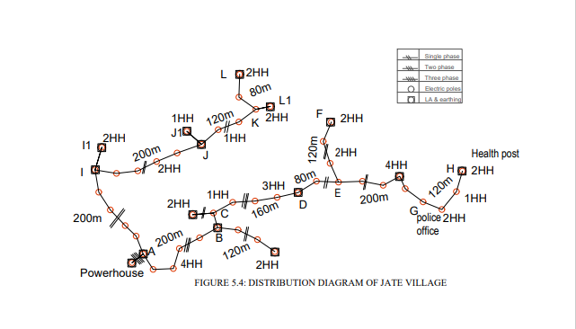

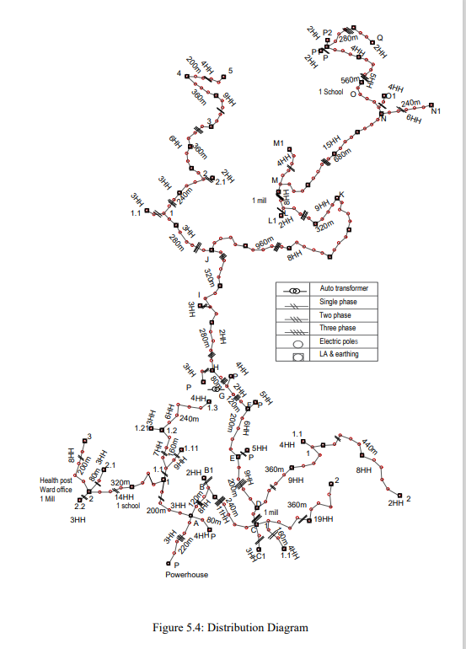
Majhi Tole | 6.4 kWp, 18 HHs, 1 km cable length | Badarjhula | 316.8 kWp, 700 HHs, 40 km cable length | Kakani Village | 63.6 kWp, 160 HHs, 32 km cable length | Mulkharka Village | 95 kWp, 280 HHs, 36 km cable length
GPS coordinate 27.257o , 86.631 o |  | GPS coordinate 27.3651 o , 84.5302 o |  | GPS coordinate 27.284o , 86.377 o |  | GPS coordinate 27.283o , 86.382 o

