3. Report
Report – Basic SRT Design |  |  |  |  |  |  | Single Line Diagram |  |  |  |  |  |  | Preliminary Bill of Quantity (BoQ) |  |  |  |  |  |  |  | Financials

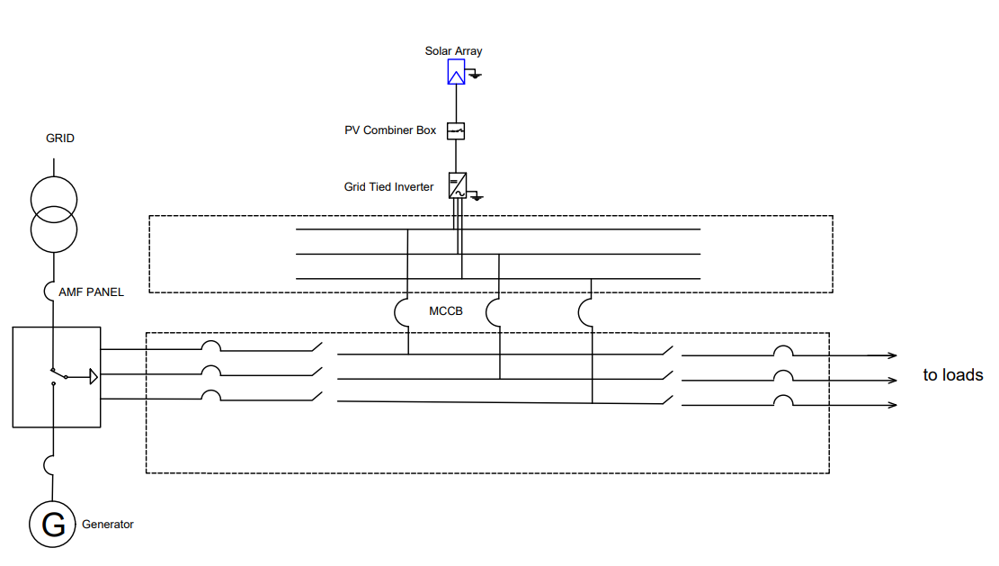
Financing Structure
 | Date | 2024-03-05 |  |  |  |  |  |  |  |  |  |  |  |  |  |  |  |  |  | NPR/Wp | 65.00 | Financial Project Overview | Financing Structure
 | Disclaimer | This basic design serves to estimate the key SRT component sizes and system costs. It shall not be used for detail design and costing. |  |  |  |  |  |  |  |  |  |  |  |  |  |  |  |  |  |  |  |  | Source | Value | %
 | Notes from Designer | None |  |  |  |  |  |  |  |  |  |  |  | # | Component | Specification | Qty | Units | Unit Cost (NPR.) | Non-Vatable amount (NPR) | Vatable amount (NPR) |  | Developer Equity | 31.2 k$ | 50%
 |  |  |  |  |  |  |  |  |  |  |  |  |  | 1 | Solar Panel | Monocrystalline | 101 | kWp | 35,000 | 3,535,000 |  |  | Investor Equity | 0.0 k$ | 0%
 | General Information |  |  |  |  |  |  |  |  |  |  |  |  | 2 | Aluminum Angle | 2x2 Aluminum Frame and relevant Accessories | 101 | kWp | 9,000 | - | 909,000 |  | Grant | 0.0 k$ | 0%
 | Applicant: | Biratnagar Metropolitan City |  | Locality: | Traffic Chowk |  |  |  |  |  |  |  |  | 3 | Grid Connected Inverter | 25 kW | 4 | Pcs. | 590,000 | 2,360,000 | - |  | Debt | 31.2 k$ | 50%
Income Statement
 | Net Income | EBT | EBIT | EBITDA
1 | $-4,223 | $0 | -$484 | $0
2 | $-3,820 | -$4,223 | -$670 | $2,179
3 | $-3,348 | -$3,820 | -$858 | $1,993
4 | $-2,800 | -$3,348 | -$1,048 | $1,806
5 | $-2,166 | -$2,800 | -$1,240 | $1,615
6 | $-1,436 | -$2,166 | -$1,436 | $1,423
7 | $-1,633 | -$1,436 | -$1,633 | $1,228
8 | $-1,834 | -$1,633 | -$1,834 | $1,030
9 | $-2,037 | -$1,834 | -$2,037 | $830
10 | $-2,242 | -$2,037 | -$2,242 | $627
11 | $-2,451 | -$2,242 | -$2,451 | $421
12 | $-2,662 | -$2,451 | -$2,662 | $212
13 | $-2,877 | -$2,662 | -$2,877 | $1
14 | $-3,094 | -$2,877 | -$3,094 | -$213
15 | $-3,314 | -$3,094 | -$3,314 | -$431
16 | $-2,821 | -$3,314 | -$2,821 | -$651
17 | $-3,048 | -$2,821 | -$3,048 | -$875
18 | $-3,278 | -$3,048 | -$3,278 | -$1,101
19 | $-3,511 | -$3,278 | -$3,511 | -$1,331
20 | $-3,748 | -$3,511 | -$3,748 | -$1,565
21 | $-3,988 | -$3,748 | -$3,988 | -$1,802
22 | $-4,232 | -$3,988 | -$4,232 | -$2,042
23 | $-5,483 | -$4,232 | -$5,483 | -$2,286
24 | $-5,728 | -$5,483 | -$5,728 | -$3,537
25 | $-5,977 | -$5,728 | -$5,977 | -$3,782
 |  | -$5,977 |  | -$4,031
 | Cumulative Equity Cash Flow
- | -$31,152
1 | -$35,745
2 | -$40,819
3 | -$46,410
4 | -$52,560
5 | -$59,316
6 | -$58,088
7 | -$57,058
8 | -$56,229
9 | -$55,602
10 | -$55,181
11 | -$54,969
12 | -$54,968
13 | -$55,181
14 | -$55,612
15 | -$62,368
16 | -$63,243
17 | -$64,344
18 | -$65,676
19 | -$67,240
20 | -$69,042
21 | -$71,084
22 | -$73,370
23 | -$76,906
24 | -$80,688
25 | -$84,719
 | Mobile No. | 12 |  | GPS Coordinates: | 22.34,83.23 |  |  |  |  |  |  |  |  | 4 | Remote Monitoring Unit | As per the selected inverter | 1 | Pcs. | 65,000 | - | 65,000 |  | Total | 62.3 k$ | 100%
 | Province: | Koshi |  | Designer: | Nipun Regmi |  |  |  |  |  |  |  |  | 5 | Energy Meter | NEA Standard | 0 | Pcs. | 31,000 | - | -
 | District: | Morang |  | Designation: | Project Coordinator |  |  |  |  |  |  |  |  | 6 | DC Cable (PV Strings) | 4Sq.mm, 1100V, 1 Core | 309 | Meters | 105 | - | 32,445
 | Municipality: | Biratnagar Metropolitan City |  | Office: | POSTED |  |  |  |  |  |  |  |  | 7 | DC Cable(From Array to Power House) | 4 Sq.mm | 50 | Meters | 144 | - | 7,200
 | Ward No.: | 10 |  |  |  |  |  |  |  |  |  |  |  | 8 | AC Cable from String Inverters to AC Combiner Box | 6 Sq.mm, 4 Core, Unarmoured | 40 | Meters | 350 | - | 14,000
 |  |  |  |  |  |  |  |  |  |  |  |  |  | 9 | DC MCB-String | 20A/1000V | 13 | Pcs. | 3,578 | - | 46,514
 | Requirement |  |  |  |  |  |  |  |  |  |  |  |  | 10 | AC MCB/MCCB-25kA | 63 Amp | 5 | Pcs. | 6,386 | - | 31,930
 | System type | Commercial |  |  |  |  |  |  |  |  |  |  |  | 11 | PV Combiner Box | IP66 with in-built SPD | 2 | Pcs. | 10,700 | - | 21,400
 | Roof type/Mounting: | GI Truss Based Structure |  | Required Area | 754 | Sq. Mtr |  |  |  |  |  |  |  | 12 | Lightning Arrestor | ESE Type | 1 | Pcs. | 85,000 | - | 85,000
 | Required Size of the System: | 100 | kWp | Is required Area available? | Yes |  |  |  |  |  |  |  |  | 13 | Earthing rod | Chemical Earthing | 4 | Pcs. | 10,000 | - | 40,000
 |  |  |  |  |  |  |  |  |  |  |  |  |  | 13 | Copper Strip & Insulators | 25 x 5, Approx, 1.5 mtr. =1kg | 27 | kg | 1,082 | - | 29,214
 | System Details |  |  |  |  |  |  |  |  |  |  |  |  | 14 | Installation Accessories | nut bolts, cable tie, tapes, conduits, cable tray etc. | 1 | LS | 606,000 | - | 606,000
 | Solar PV Capacity: | 100.45 | kWp | Remote Monitoring: | Present |  |  |  |  |  |  |  |  | 15 | Installation Labor & Transportation | Skilled, Semi-Skilled Technician, Engineer etc. | 1 | Ls | 505,000 | - | 505,000 | Key Performance Indicators | Overall performance |  |  | Overall performance
 | Inverter Capacity: | 25.0 | kW | Generation/Year | 154,969 | kWh/Year |  |  |  |  |  |  |  | 16 | Contigency-5% | 5% of the total cost | 1 | 0 | - | 294,750 | 119,635 |  | Indicator | Value | Unit | Indicator | Value | Unit
 | Total Nos. Of inverter: | 4 | Nos. |  |  |  |  | Solar Array: | 100.45 | kW | Solar inverter: | 25.0 | kW |  |  |  |  |  | Sub-Total | 6,189,750.00 | 2,512,338 |  | Project NPV | -68,917 | $ | LCOE without Grant | 0.10 | $/kWh
 |  |  |  |  |  |  |  | MCCB: | 63 Amp |  | No. of inverters: | 4 Nos. |  |  |  |  |  |  |  |  |  |  | Equity NPV | -57,338 | $ | LCOE with Grant | 0.10 | $/kWh
 | Cost |  |  |  |  |  |  |  |  |  |  |  |  |  |  |  |  |  |  | VAT(13%) | 326,604 |  | Project IRR | 0.00% | % | Minimum DSCR | Less than 1 | ratio
 | System Cost (NPR) | रु 6,516,354 | NPR | CO2 Emission Avoided | 7,749 | kg/year |  |  |  |  |  |  |  |  |  |  |  |  |  |  |  |  | Equity IRR | 0% | % | Inflation | 0 | %
 | Cost/Wp (NPR) | रु 65.00 | NPR/Wp |  |  |  |  |  |  |  |  |  |  | Note: This is BoQ is indicative only. The final BoQ requires Detailed Feasibility Study to be completed. |  |  |  |  |  | Grand Total | 6,516,354 |  | Equity payback | 0 | yrs | Interest Rate | 12% | %
 |  |  |  |  |  |  |  |  |  |  |  |  |  |  |  |  |  |  |  |  |  |  | Discounted (ROI) | -4.25% | %

 |  |  |  |  | Page 1 of 4 |  |  |  |  |  |  |  | Page 2 of 4 |  |  |  |  |  |  |  | Page 3 of 4 |  |  |  |  |  |  | Page 4 of 4

